Sheet1
No | Brand | Product Group | Part Number | Aditional Description | GTIN/EAN | Packing Unit | Quantity Per Packaging Unit | Status | Remanufactured | Trade Number | Mandatory Material Certification | Vehicle W/o Engine | Vehicle W/ Engine | OEM | Picture | Url
1 | BOSCH | Wiper Blade | 0986398181 | Twin | 4047026191356 | 1 |  | no longer deliverable by the manufacturer | False |  | False |  |  |  |  | https://web.tecalliance.net/tecdoc/qa/parts/30/0 986 398 181/detail?groups=298
2 | BOSCH | Wiper Blade | 0986FW0066 | Twin | 4047026414158 | 1 |  | Normal | False |  | False |  |  |  |  | https://web.tecalliance.net/tecdoc/qa/parts/30/0 986 FW0 066/detail?groups=298
3 | BOSCH | Wiper Blade | 0986FW0067 | Twin | 4047026414165 | 1 |  | no longer deliverable by the manufacturer | False |  | False |  |  |  |  | https://web.tecalliance.net/tecdoc/qa/parts/30/0 986 FW0 067/detail?groups=298
4 | BOSCH | Wiper Blade | 0986FW0068 | Twin | 4047026414172 | 1 |  | no longer deliverable by the manufacturer | False |  | False |  |  |  |  | https://web.tecalliance.net/tecdoc/qa/parts/30/0 986 FW0 068/detail?groups=298
5 | BOSCH | Wiper Blade | 0986FW0069 | Twin | 4047026524734 | 1 |  | Normal | False |  | False |  |  |  |  | https://web.tecalliance.net/tecdoc/qa/parts/30/0 986 FW0 069/detail?groups=298
6 | BOSCH | Wiper Blade | 0986FW0070 | Twin | 4047026524727 | 1 |  | Normal | False |  | False |  |  |  |  | https://web.tecalliance.net/tecdoc/qa/parts/30/0 986 FW0 070/detail?groups=298
7 | BOSCH | Wiper Blade | 3397001006 | Twin |  | 1 |  | no longer deliverable by the manufacturer | False |  | False |  |  |  |  | https://web.tecalliance.net/tecdoc/qa/parts/30/3 397 001 006/detail?groups=298
8 | BOSCH | Wiper Blade | 3397001007 | Twin | 3165141140033 | 1 | 2 | no longer deliverable by the manufacturer | False | 007 | False |  |  | A1168200445;1168200445 |  | https://web.tecalliance.net/tecdoc/qa/parts/30/3 397 001 007/detail?groups=298
9 | BOSCH | Wiper Blade | 3397001013 | Twin | 3165141140040 | 1 | 2 | no longer deliverable by the manufacturer | False | 013 | False | MERCEDES-BENZ SL (R107) 1985-1989 | MERCEDES-BENZ SL (R107) 1985-1989 2960cc MERCEDES-BENZ SL (R107) 1985-1989 5547cc |  |  | https://web.tecalliance.net/tecdoc/qa/parts/30/3 397 001 013/detail?groups=298
10 | BOSCH | Wiper Blade | 3397001014 | Twin | 3165141140057 | 1 | 2 | Article to be discontinued | False | 014 | False | MERCEDES-BENZ S-CLASS (W126) 1979-1991 MERCEDES-BENZ S-CLASS Coupe (C126) 1980-1991 | MERCEDES-BENZ S-CLASS (W126) 1979-1985 2746cc MERCEDES-BENZ S-CLASS (W126) 1979-1991 4973cc MERCEDES-BENZ S-CLASS (W126) 1980-1984 3818cc MERCEDES-BENZ S-CLASS (W126) 1981-1985 3839cc MERCEDES-BENZ S-CLASS (W126) 1985-1986 2996cc MERCEDES-BENZ S-CLASS (W126) 1985-1991 2599cc MERCEDES-BENZ S-CLASS (W126) 1985-1991 2960cc MERCEDES-BENZ S-CLASS (W126) 1985-1991 4196cc MERCEDES-BENZ S-CLASS (W126) 1985-1991 5547cc MERCEDES-BENZ S-CLASS Coupe (C126) 1980-1991 4973cc MERCEDES-BENZ S-CLASS Coupe (C126) 1981-1985 3839cc MERCEDES-BENZ S-CLASS Coupe (C126) 1985-1991 4196cc MERCEDES-BENZ S-CLASS Coupe (C126) 1985-1991 5547cc | A0008205845;A1268200345;A1268200445;0008205845;1268200345;1268200445 | 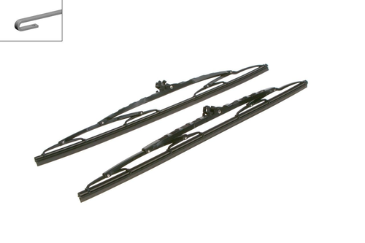 | https://web.tecalliance.net/tecdoc/qa/parts/30/3 397 001 014/detail?groups=298

